Sheet9
OS : BROWSER & WINDOWS TESTED BY: THAZLIM P N
VERIFIED BY: DATE: 14-06-2024
BUG REPORT
Bug Id | Test Id | Expected Result | Bug Description | Steps to reproduce | Screenshot | Severity | Priority | Status
VI_BG_01 | VI_HL_02 | Should show the details of nearby hotels | Find Nearby Hotels button does not show the details of nearby hotels | 1]Open the link https://in.via.com 2]Click Find Nearby Hotels button | 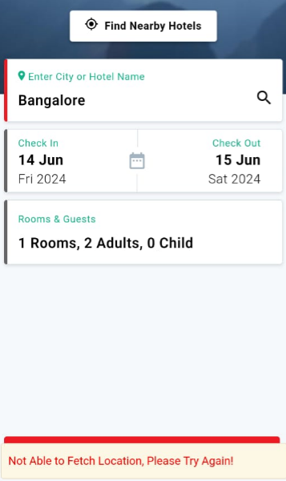 | Minor | Medium | New
VI_BG_02 | VI_BS_09[9] | Should show an error message | Does not show an error message while entering letters in age field | 1]Open the link https://in.via.com 2]Enter letters in age field |  | Minor | Medium | New

